Sheet2
Sick Leaves
Outsource
Saudis Vs Non-Saudis
Inentive Cost
30
Month | Apr
 |  |  | Saudis | Non-Saudis
 |  | Apr | 900 | 3000
$150,003.00
3,900
11
Over Time Cost
 |  |  | # Headcount
 |  | Apr | 3,900
Late Hours
$900,540.00
Part Timers
40
Payroll
 |  |  | % Saudization
 |  | Apr | 23.08%

23.08%
70
$12,915,020.00
 |  |  | # Sick Leave
 |  | Apr | 11
Employees Aged >50
Corrective Actions
Contract Termination
Probation Period Ter.
Training Hours
Trained Employees
10
11
0
2
5
290
 |  |  | # Hours Late
 |  | Apr | 70

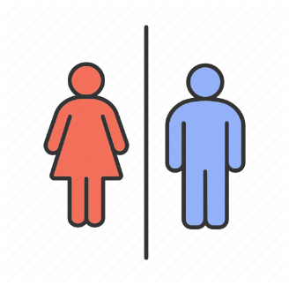
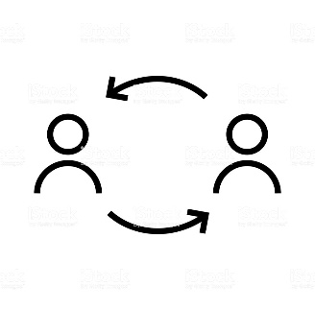
Turnover
Retired Employees
Leavers < 3 Years
Average Age
 |  |  | # Unpaid Leaves | # Employees Aged >50 | % Of Females | Male
 |  | Apr | 100 | 10 | 150 | 3,750
14.00%
11%
90%
40
2
40
Automated Processes
Training Effectiveness
150
3,750
 | 0 | 290
 |  | 3,610
 |  |  | $ Incentive | # Corrective Actions | Avg Age | # Leavers With Service Less Than 3 Years | # Retried Employees
 |  | Apr | $150,003.00 | 11 | 40 | 2 | 40
 |  |  |  |  |  |  |  |  |  | 18
 |  |  |  |  |  |  |  |  |  | 22
HR BudgetConsumption
80%
 |  |  | $ Overtime | % Employees Tenure | % Hr Expenses Vs Budget |  | # HR Headcount |  |  | 5 | 40
90%
 |  | Apr | $900,540.00 | 14.00% | 90% | 10% | 290 | 3,610 | 8.03% | 20
Training Plan Achievement
MP Plan Achievement
 |  |  |  |  |  |  |  |  |  | 60
HR Count
 |  |  | $ Payroll | # Contract Termination | # Probation Period Termination | # Training Hours | # Trained Employees
 |  | Apr | $12,915,020.00 | 0 | 2 | 5 | 290

 |  |  | # Leavers | # Joiners
 |  | Apr | 30 | 50

 |  |  | High Performers | Low Performers
 |  | Apr | 12% | 74%
 |  |  |  |  |  |  |  | 1
 |  |  | % Outsource | # Part Timers |  |  |  | 1
 |  | Apr | 30 | 40 |  |  |  | 1
 |  |  |  |  |  |  |  | 1
 |  |  |  |  |  |  |  | 1
 |  |  | % Automated Processes | 11% | 89% |  |  | 1
 |  |  | % Training Effectiveness Index | 90% | 10% |  |  | 1
 |  |  | % Training Plan Achieved' | 80% | 20% |  |  | 1
 |  |  | % Manpower Plan Achieved | 90% | 10% |  |  | 1
 |  |  |  |  |  |  |  | 1
 |  |  |  |  |  |  |  | 1
 |  |  |  |  |  |  |  | 1
 |  |  |  |  |  |  |  | 1
 |  |  |  |  |  |  |  | 1
 |  |  |  |  |  |  |  | 1
 |  |  |  |  |  |  |  | 1
 |  |  |  |  |  |  |  | 1
 |  |  |  |  |  |  |  | 1
 |  |  |  |  |  |  |  | 1
 |  |  |  |  |  |  |  | 1

